Use Case
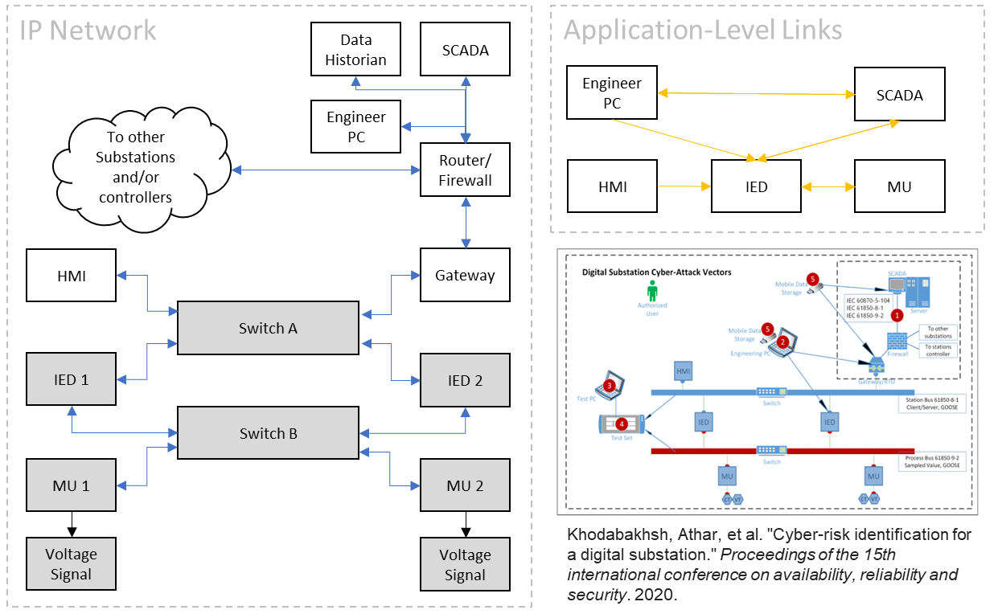
Use case 1: Autonomous passenger ferry

